Sheet1
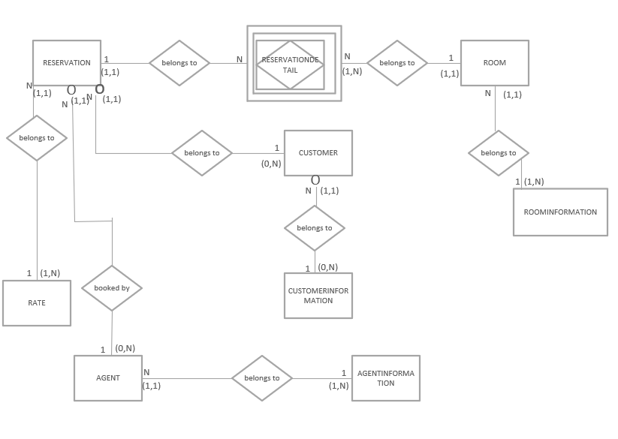
1a&1b

ResNum | Check In | Check Out | Cust ID | Cust FName | CustLName | CustPhone | Cust Type | Cust Desc | Loyalty ID | Agent ID | AgentFName | AgentLName | Agent Type | Agent Desc | Guest Count | Room Num | Room Type | Room Desc | Rate Type | Rate Desc | Rate Amt
1001 | 2020-09-05 | 2020-09-07 | 85 | Wesley | Tanner | (817)555-1193 | C | Corporate | 323 | 20 | Megan | Smith | FD | Front Desk | 2 | 224 | K | King Bed | C | Corporate | $120
1001 | 2020-09-05 | 2020-09-07 | 85 | Wesley | Tanner | (817)555-1193 | C | Corporate | 323 | 20 | Megan | Smith | FD | Front Desk | 2 | 225 | D | 2 Double Beds | C | Corporate | $125
1002 | 2020-09-01 | 2020-09-10 | 100 | Breanna | Rhodes | (214)555-9191 | I | Individual | 129 | 5 | Janice | May | T | Telephone | 4 | 305 | D | 2 Double Beds | S | Standard | $149
1003 | 2020-09-09 | 2020-09-11 | 15 | Jeff | Miner |  | I | Individual |  | 14 | John | King | RC | Online Res Center | 3 | 409 | D | 2 Double Beds | W | Weekend | $99
1004 | 2020-09-12 | 2020-09-14 | 77 | Kim | Jackson | (817)555-4911 | C | Corporate | 210 | 28 | Ray | Schultz | T | Telephone | 4 | 320 | D | 2 Double Beds | C | Corporate | $110
1004 | 2020-09-12 | 2020-09-14 | 77 | Kim | Jackson | (817)555-4911 | C | Corporate | 210 | 28 | Ray | Schultz | T | Telephone | 4 | 409 | D | 2 Double Beds | C | Corporate | $105
1004 | 2020-09-12 | 2020-09-14 | 77 | Kim | Jackson | (817)555-4911 | C | Corporate | 210 | 28 | Ray | Schultz | T | Telephone | 4 | 321 | K | King Bed | C | Corporate | $112
1005 | 2020-09-15 | 2020-09-18 | 119 | Mary | Vaughn | (817)555-2334 | I | Individual | 118 | 20 | Megan | Smith | FD | Front Desk | 1 | 301 | K | King Bed | S | Standard | $139
1006 | 2020-09-24 | 2020-09-26 | 97 | Chris | Mancha | (469)555-3440 | I | Individual | 153 | 14 | John | King | RC | Online Res Center | 2 | 501 | KS | King Suite | W | Weekend | $119
1006 | 2020-09-24 | 2020-09-26 | 97 | Chris | Mancha | (469)555-3440 | I | Individual | 153 | 14 | John | King | RC | Online Res Center | 2 | 502 | KS | King Suite | W | Weekend | $119
1007 | 2020-09-20 | 2020-09-25 | 100 | Breanna | Rhodes | (214)555-9191 | I | Individual | 129 | 20 | Megan | Smith | FD | Front Desk | 2 | 302 | K | King Bed | S | Standard | $139
1008 | 2020-10-01 | 2020-10-03 | 85 | Wesley | Tanner | (817)555-1193 | C | Corporate | 323 | 5 | Janice | May | T | Telephone | 3 | 320 | D | 2 Double Beds | W | Weekend | $89
1008 | 2020-10-01 | 2020-10-03 | 85 | Wesley | Tanner | (817)555-1193 | C | Corporate | 323 | 5 | Janice | June | T | Telephone | 3 | 321 | K | King Bed | W | Weekend | $99
1009 | 2020-10-01 | 2020-10-04 | 28 | Renee | Walker | (214)555-9285 | I | Individual | 135 | 14 | John | King | RC | Online Res Center | 2 | 502 | KS | King Suite | W | Weekend | $129
1009 | 2020-10-01 | 2020-10-04 | 28 | Renee | Walker | (214)555-9286 | I | Individual | 135 | 14 | John | King | RC | Online Res Center | 2 | 409 | D | 2 Double Beds | W | Weekend | $129
1010 | 2020-10-01 | 2020-10-09 | 23 | Shelby | Day |  | I | Individual |  | 28 | Ray | Schultz | T | Telephone | 4 | 225 | D | 2 Double Beds | W | Weekend | $109

1c.
Reservation (Res Num,Room Num,Check In, Ckeck Out, Cust ID, CustFName, CustLName, CustPhone, Cust Type, Cust Desc, Loyalty ID, Agent ID, AgentFName, AgentLName, Agent Type, Agent Dec, Guest Count, Room Type, Room Desc, Rate Type, Rate Desc, Rate Amt)

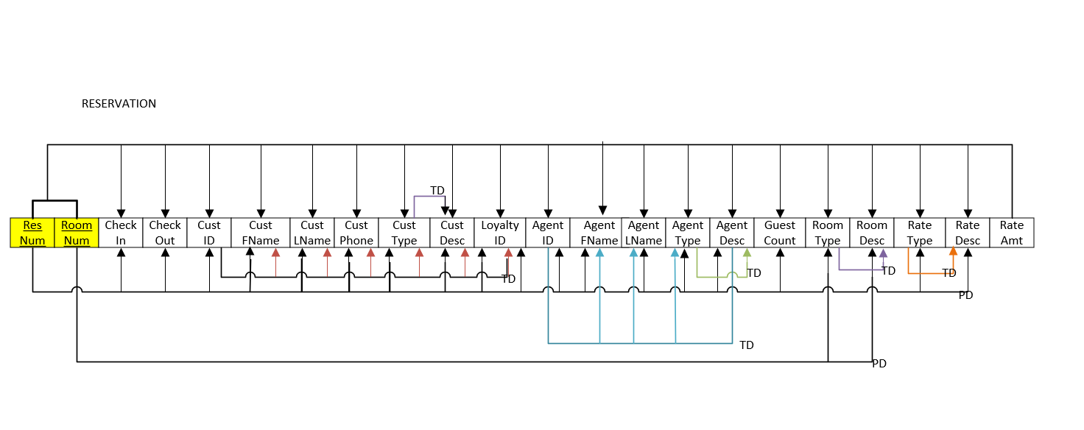
1d.

2a.
RESERVATIONDETAIL (Res Num, Room Num, Rate Amt)
RESERVATION (Res Num, Check in, Check Out, Cust ID, Cust Fname, Cust Lname, Cust Phone, Cust Type, Cust Desc, Loyalty ID, Agent Fname, Agent Lname, Agent Type, Agent Desc, Guest Count, Rate Type, Rate Desc)
ROOM ( Room Num, Room Type, Room Desc)

2b.
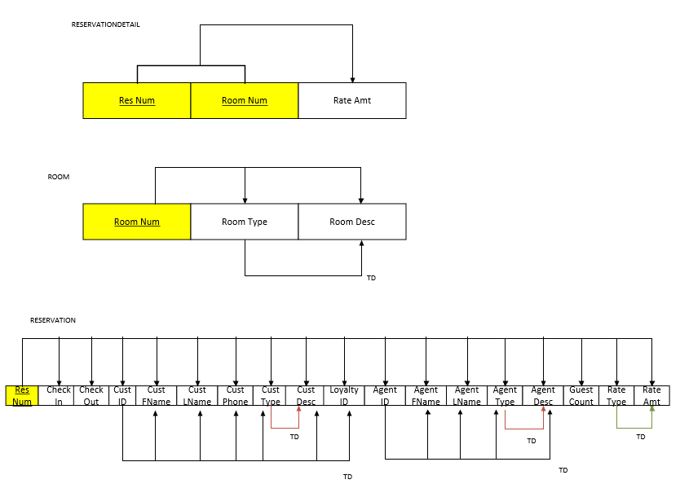

3a.

RESERVATIONDETAIL (Res Num, Room Num, Rate Amt)
ROOM (Room Num, Room Type)
ROOMINFORMATION (Room Type, Room Desc)
RATE (Rate Type, Rate Desc)
CUSTOMER (Cust ID, Cust FName, Cust LName, Cust Phone, Cust Type, Loyalty ID)
CUSTOMERINFORMATION (Cust Type, Cust Desc)
AGENTINFORMATION (Agent Type, Agent Desc)
RESERVATION (Res Num, Check In, Check Out, Cust ID, Agent ID, Guest Count, Rate Type)
AGENT (Agent ID, Agent FName, Agent LName, Agent Type)

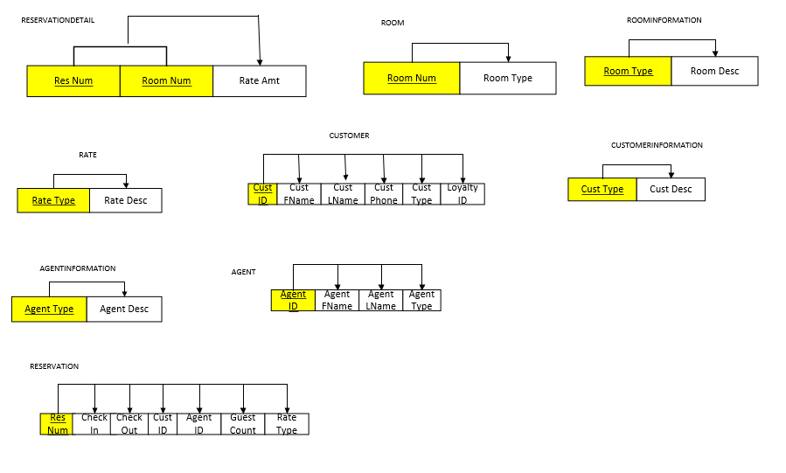
3b.

4a.

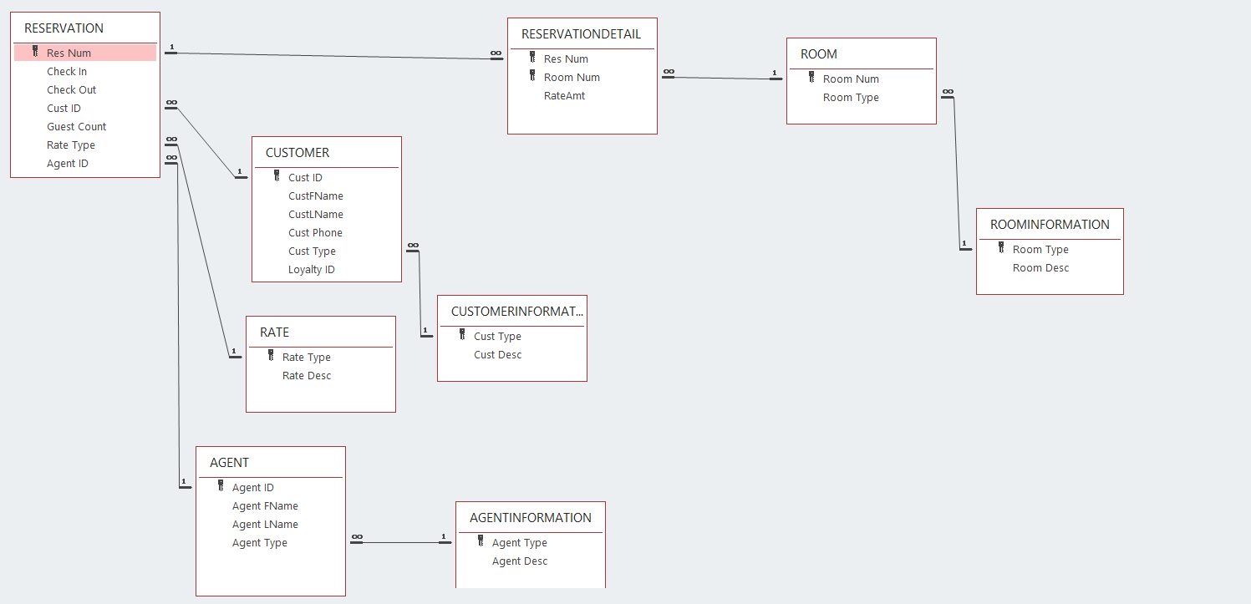

4b.

